EB06Cover
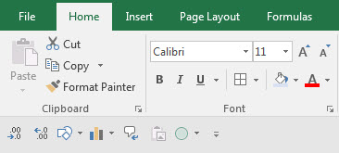
Excel Basics 6: Customize Quick Access Toolbar (QAT) and Show New Ribbon Tabs

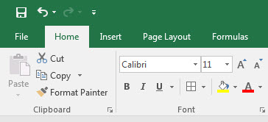
 | Office 2016 Video #18

